chapter 15
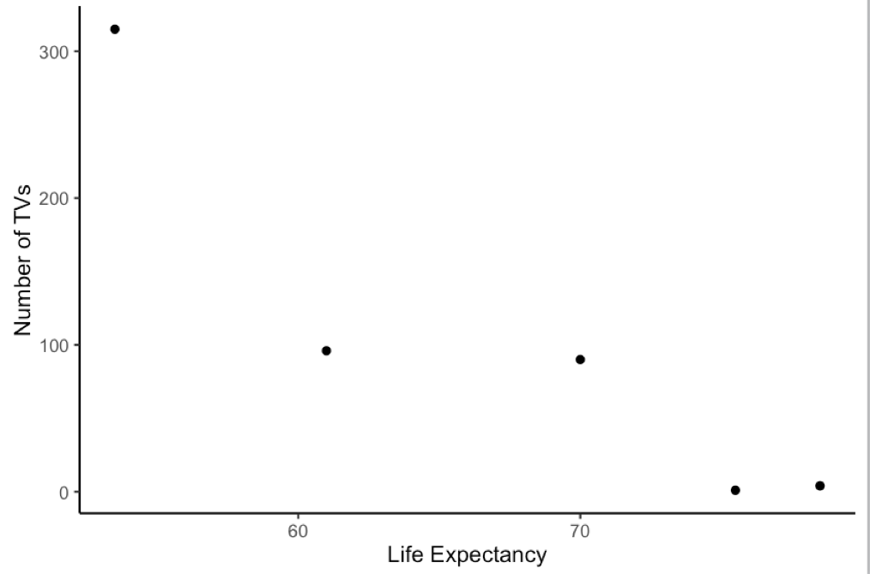
 | M01182840 | M01459508 | M01626766 | M01633632 | M01777788 | M01841454 | M01986598 | M01993412 | M02042086 | M02049622 | M02051356 | M02057700 | M02084368 | M02102826 | M02151328 | M02409738 | M02466626 | M02490660
negative or curvilinear | 1 | 0 | 1 | 1 | 1 | 0.5 | 1 | 1 | 1 | 1 | 1 | 1 | 1 | 0 | 1 | 1 | 1 | 1
r = -.92 or output | 1 | 1 | 1 | 1 | 1 | 1 | 1 | 1 | 1 | 1 | 1 | 1 | 1 | 1 | 1 | 0.5 | 1 | 1
scatterplot | 1 | 1 | 1 | 1 | 1 | 1 | 1 | 1 | 1 | 1 | 1 | 1 | 1 | 1 | 1 | 1 | 1 | 1
 | 1 | 0.66666666667 | 1 | 1 | 1 | 0.83333333333 | 1 | 1 | 1 | 1 | 1 | 1 | 1 | 0.66666666667 | 1 | 0.83333333333 | 1 | 1

